Sheet1
 | Document No. | Issue No. |  | Issue Date |  | Review and Replace Date |  | Authorised By
 | GFF240MC | 5 |  | 11.11.2020 |  | 07.03.2024 |  | Magda Shah
 | Document Title | Grab & Go-LAMB SAMOSA 100G
Document amendments reason for change | Tray & Film Changed |  |  | Page 1 of 1 | Previous Issue Date |  | 29.07.2022 | Uncontrolled copy unless signed original

CLSAL-G12T & CLSAL-1G6T |  |  | GAZEBO |  | LAMB SAMOSA 100G

 |  |  |  |  | 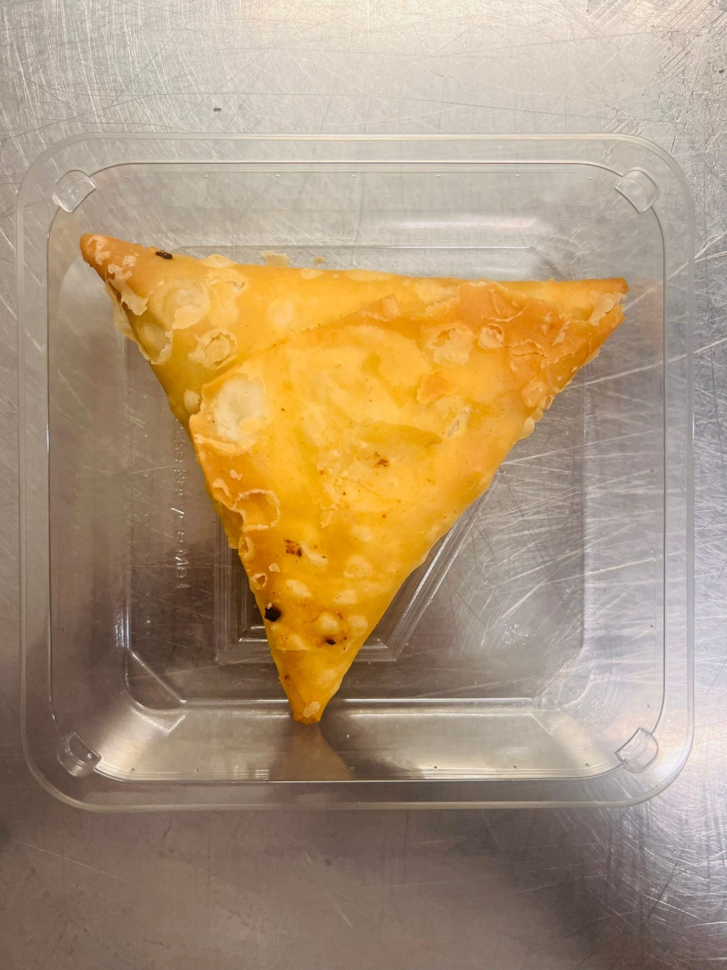

Tray: Grab & Go SQ Tray (141 X 141) (PKLEE001-13) |  |  |  |  | LAMB SAMOSA (GFF005R) 100g
Film: K peel 7G+25A/f-240mm (240mmX1000) (PKKMP001-08) |  |  |  |  | Total Weight: 100g
ALLERGY ALERT: WHEAT, SOYA

